Sheet3
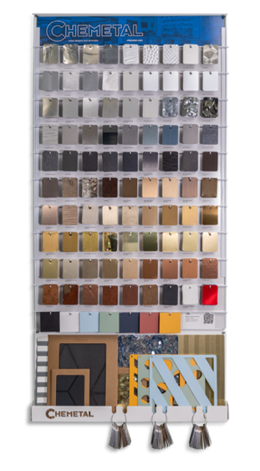

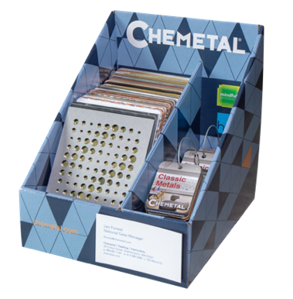
 |  |  |  |  |  |  |  | Ship to / Attn:
 | Chip | 4x6 | 8x10 |  | Chip | 4x6 | 8x10
 | $0.60 | $1.20 | $4.00 |  | $0.60 | $1.20 | $4.00
150 |  |  |  | 721
151 |  |  |  | 722
152 |  |  |  | 724
216 |  |  |  | 727
221 |  |  |  | 791 |  |  |  | Notes / Requests:
227 |  |  |  | 796
230 |  |  |  | 801
231 |  |  |  | 803
232 |  |  |  | 804 |  |  |  |  |  |  |  | Sample Display Box
236 |  |  |  | 812
239 |  |  |  | 901 |  |  |  |  |  |  |  |  | Wallboard
262 |  |  |  | 902
276 |  |  |  | 903
277 |  |  |  | 904 |  |  |  |  | Chip | 4x6 | 8x10 | Special Instructions | Ship Date | Ship Via
305 |  |  |  | 906 |  |  |  | Tints | $0.60 | $1.20 | $4.00
310 |  |  |  | 908 |  |  |  | Chartreuse
314 |  |  |  | 909 |  |  |  | Real Red
315 |  |  |  | 910 |  |  |  | Cider
317 |  |  |  | 911 |  |  |  |  | 0 | 0 | 0 |  | Requested By: | Account Number
325 |  |  |  | 912
337 |  |  |  | 915 |  |  |  |  | Chip | 4x6 | 8x10
338 |  |  |  | 916 |  |  |  | Laser Cut | $1.00 | $3.00 | $8.00
340 |  |  |  | 917 |  |  |  | .025"
346 |  |  |  | 919 |  |  |  | .063" |  |  |  |  | Customer / Rep Number
349 |  |  |  | 924 |  |  |  | .090"
350 |  |  |  | 925 |  |  |  |  | 0 | 0
352 |  |  |  | 927
353 |  |  |  | 931 |  |  |  |  | Design ### | 4x6 | 8x10
354 |  |  |  | 934 |  |  |  | Embossed | Metal Only | $1.20 | $4.00 |  | Registration Number(s)
406 |  |  |  | 935 |  |  |  | Triangles
413 |  |  |  | 936 |  |  |  | Domes
414 |  |  |  | 943 |  |  |  | Food Truck
427 |  |  |  | 950 |  |  |  | Majestic
440 |  |  |  |  | 0 | 0 | 0 | Waterworld
600 |  |  |  |  |  | $3.00 | $8.00 | Tambourine (H)
601 |  |  |  | 354-09 |  |  |  |  |  | 0 | 0
606 |  |  |  | 550
607 |  |  |  | 551 |  |  |  | Sales Tools |  | Price | Qty. | Tracking Number
608 |  |  |  | 552 |  |  |  | Sample Chain Set (1) |  | $50.00
609 |  |  |  | 553 |  |  |  | Sample Chain Set Box (15) |  | $750.00
610 |  |  |  | 554 |  |  |  | Classic Metals Chain Set |  | $20.00
613 |  |  |  | 555 |  |  |  | Magnetic Chain Set |  | $3.00
614 |  |  |  |  |  | 0 | 0 | Color Samples Chain Set |  | $20.00 |  |  | Order Date | Date Sent
620 |  |  |  |  |  | 4x6 |  | Display Box |  | $200.00
624 |  |  |  |  |  | Color |  | Surface Mode Box |  | $80.00
625 |  |  |  | 570-2 |  |  |  | Chemetal Wallboard w/Tray |  | $240.00
626 |  |  |  | 570-1 |  |  |  | Postcards (specify in notes) |  | No Cost
700 |  |  |  | 571 |  |  |  | Literature (specify in notes) |  | No Cost |  |  | Entered By
701 |  |  |  | 572 |  |  |  |  |  |  |  |  |  | Original
702 |  |  |  | 573 |  |  |  | Total Qty. |  | Total Value
703 |  |  |  | 574 |  |  |  | 0 |  | $- |  |  |  | Shipping
704 |  |  |  | 575
706 |  |  |  | 576
710 |  |  |  | 577 |  |  |  |  |  |  | CONTINUED ON BACK
717 |  |  |  | 578
719 |  |  |  | 579 |  |  |  |  |  |  |  |  | chemetal.com | 800 807-7341 | samples@chemetal.com
720 |  |  |  |  | 0
chemetal.com | 800 807-7341 | samples@chemetal.com

